Sheet1
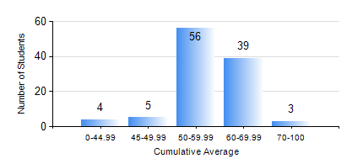
 |  |  | KWAME NKRUMAH UNIVERSITY OF SCIENCE AND TECHNOLOGY, KUMASI Department of Agricultural and Biosystems Engineering

 |  |  | BSC. AGRICULTURAL ENG.

 |  |  | COMPREHENSIVE RECORD OF EXAMINATION RESULTS

 |  |  | RESULTS OF YEAR 2 SECOND SEMESTER, 2020/2021 ACADEMIC YEAR

 | Sn | Course Code |  | Course Name | Credit Hours | Min. Mark | Max. Mark | Avg. Mark | Std. Dev. | No. Passed | No. Trailed | No. (Df) | No. (I) | No. (I*) | No. Tagged(I,I*,Df) | Total
 | 0. |  |  |  |  |  |  | 0 | 0 | 0 | 0 | 0 | 0 | 0 | 0 | 8
 | 1. | EE 252 |  | ELECTRICAL ENGINEERING MACHINES | 3 | 44 | 83 | 61 | 9.1 | 99 | 0 | 0 | 0 | 0 | 0 | 99
 | 2. | ENGL 264 |  | LITERATURE IN ENGLISH II | 1 | 41 | 84 | 63 | 8.8 | 99 | 0 | 0 | 0 | 0 | 0 | 99
 | 3. | GE 286 |  | PRINCIPLES OF SURVEYING | 4 | 24 | 59 | 49 | 5.29 | 97 | 2 | 0 | 0 | 0 | 0 | 99
 | 4. | MATH 252 |  | ANALYSIS IV | 4 | 28 | 71 | 51 | 8.75 | 93 | 6 | 0 | 0 | 0 | 0 | 99
 | 5. | ME 262 |  | THEORY OF MACHINES | 3 | 9 | 90 | 50 | 19.7 | 81 | 18 | 0 | 0 | 0 | 0 | 99
 | 6. | ME 282 |  | MECHANICAL ENGINEERING MATERIALS II | 3 | 32 | 85 | 58 | 11.81 | 93 | 6 | 0 | 0 | 0 | 0 | 99
 | 7. | ME 296 |  | MECHANICAL ENGINEERING LAB. II | 1 | 6 | 87 | 71 | 11.2 | 98 | 1 | 0 | 0 | 0 | 0 | 99

